State Total Comparisons
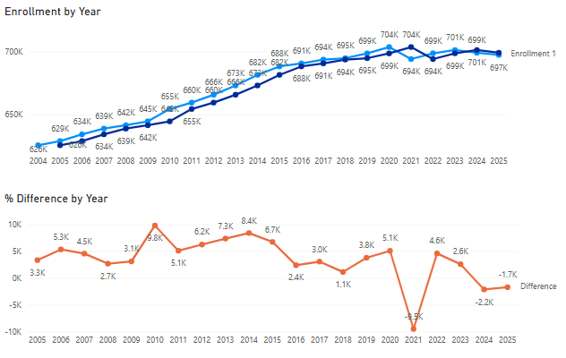
School Year | Enrollment1 | Enrollment2 | Difference Numeric | PercentDifference
2025 | 697358 | 699102 | -1744 | -0.25
2024 | 699102 | 701258 | -2156 | -0.31
2023 | 701258 | 698696 | 2562 | 0.37
2022 | 698696 | 694113 | 4583 | 0.66
2021 | 694113 | 703650 | -9537 | -1.37
2020 | 703650 | 698586 | 5064 | 0.72
2019 | 698586 | 694816 | 3770 | 0.54
2018 | 694816 | 693710 | 1106 | 0.16
2017 | 693710 | 690670 | 3040 | 0.44
2016 | 690670 | 688300 | 2370 | 0.34
2015 | 688300 | 681578 | 6722 | 0.98
2014 | 681578 | 673190 | 8388 | 1.23
2013 | 673190 | 665841 | 7349 | 1.09
2012 | 665841 | 659615 | 6226 | 0.94
2011 | 659615 | 654542 | 5073 | 0.77
2010 | 654542 | 644754 | 9788 | 1.5
2009 | 644754 | 641671 | 3083 | 0.48
2008 | 641671 | 639002 | 2669 | 0.42
2007 | 639002 | 634468 | 4534 | 0.71
2006 | 634468 | 629145 | 5323 | 0.84
2005 | 629145 | 625826 | 3319 | 0.53
2004 | 625826 | NULL | NULL | NULL

